Sheet1
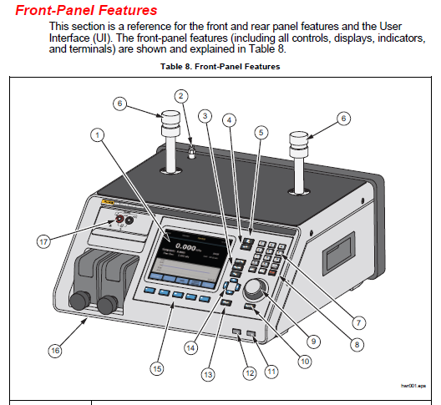
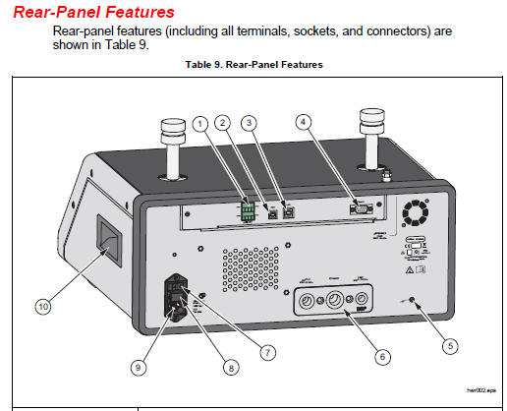
4755295 |  | PK-2271A-NPT-HC20,LINES AND FITTINGS KIT FOR 2271A-NPT-HC20

Item Num | Qty | Description | Notes
SUPPLY and TEST ports
3863366 | 3 | 25-664,FTG 1/4 NPTMX #4ANMALE SS SS-4-AN-A-4 | SUPPLY and TEST port adapters. Can use for UUT and/or gas supply also
4719819 | 1 | 2271A,SAE 37 DEGREE FLARED TUBE FITTING-MALE ELBOWS,1/4 NPT,SS | SUPPLY and TEST port adapters. Can use for UUT and/or gas supply also
4629596 | 1 | FLUKE-2271A,GAUGE ADAPTERS, 1/4 NPT, O-RING SEALING
3865195 | 1 | 54-703-10,O-RING VITON 1/4 X 1/16 X SEC
4767367 | 1 | Hose, 1/4 inch with AN4-Female fittings, 3 m (9.8 ft), 34.5 MPa (5000 psi) | SUPPLY port hose
4714774 | 1 | Hose, 1/4 inch with AN4-Female fittings, 1.2 m (4 ft) | TEST port hose (don't use if you have CPS)
EXHAUST port |  | If not using vacuum pump install snubber (muffler) included with 6270A in EXHAUST port
3915196 | 120 | Tubing, 3/8 inch blue poly, 3.05 m (10 ft) | EXHAUST port vacuum pump tubing (optional)
3480098 | 1 | CONNECTOR,MALE,BRASS TUBE FITTING,3/8 IN TUBE OD X 3/8 IN NPTM | EXHAUST port adapter to vacuum pump tubing
3863157 | 1 | Adapter, 1/4 inch NPT-Female to 3/8 inch compression tube fitting | Connect 3/8 vacuum tube to D4B vacuum pump, 3/8 Tube x 1/4 NPT-F
3862918 | 1 | Cap, 3/8 inch compression tube | Cap off extra port on D4B vacuum pump, 3/8 tube cap
REFERENCE port (optional)
4863095 | 5 | FLUKE-719P-8003,HOSE, NYLON , 0.125 X 0.064
Other
3914557 | 1 | Teflon tape

